Cluster 1
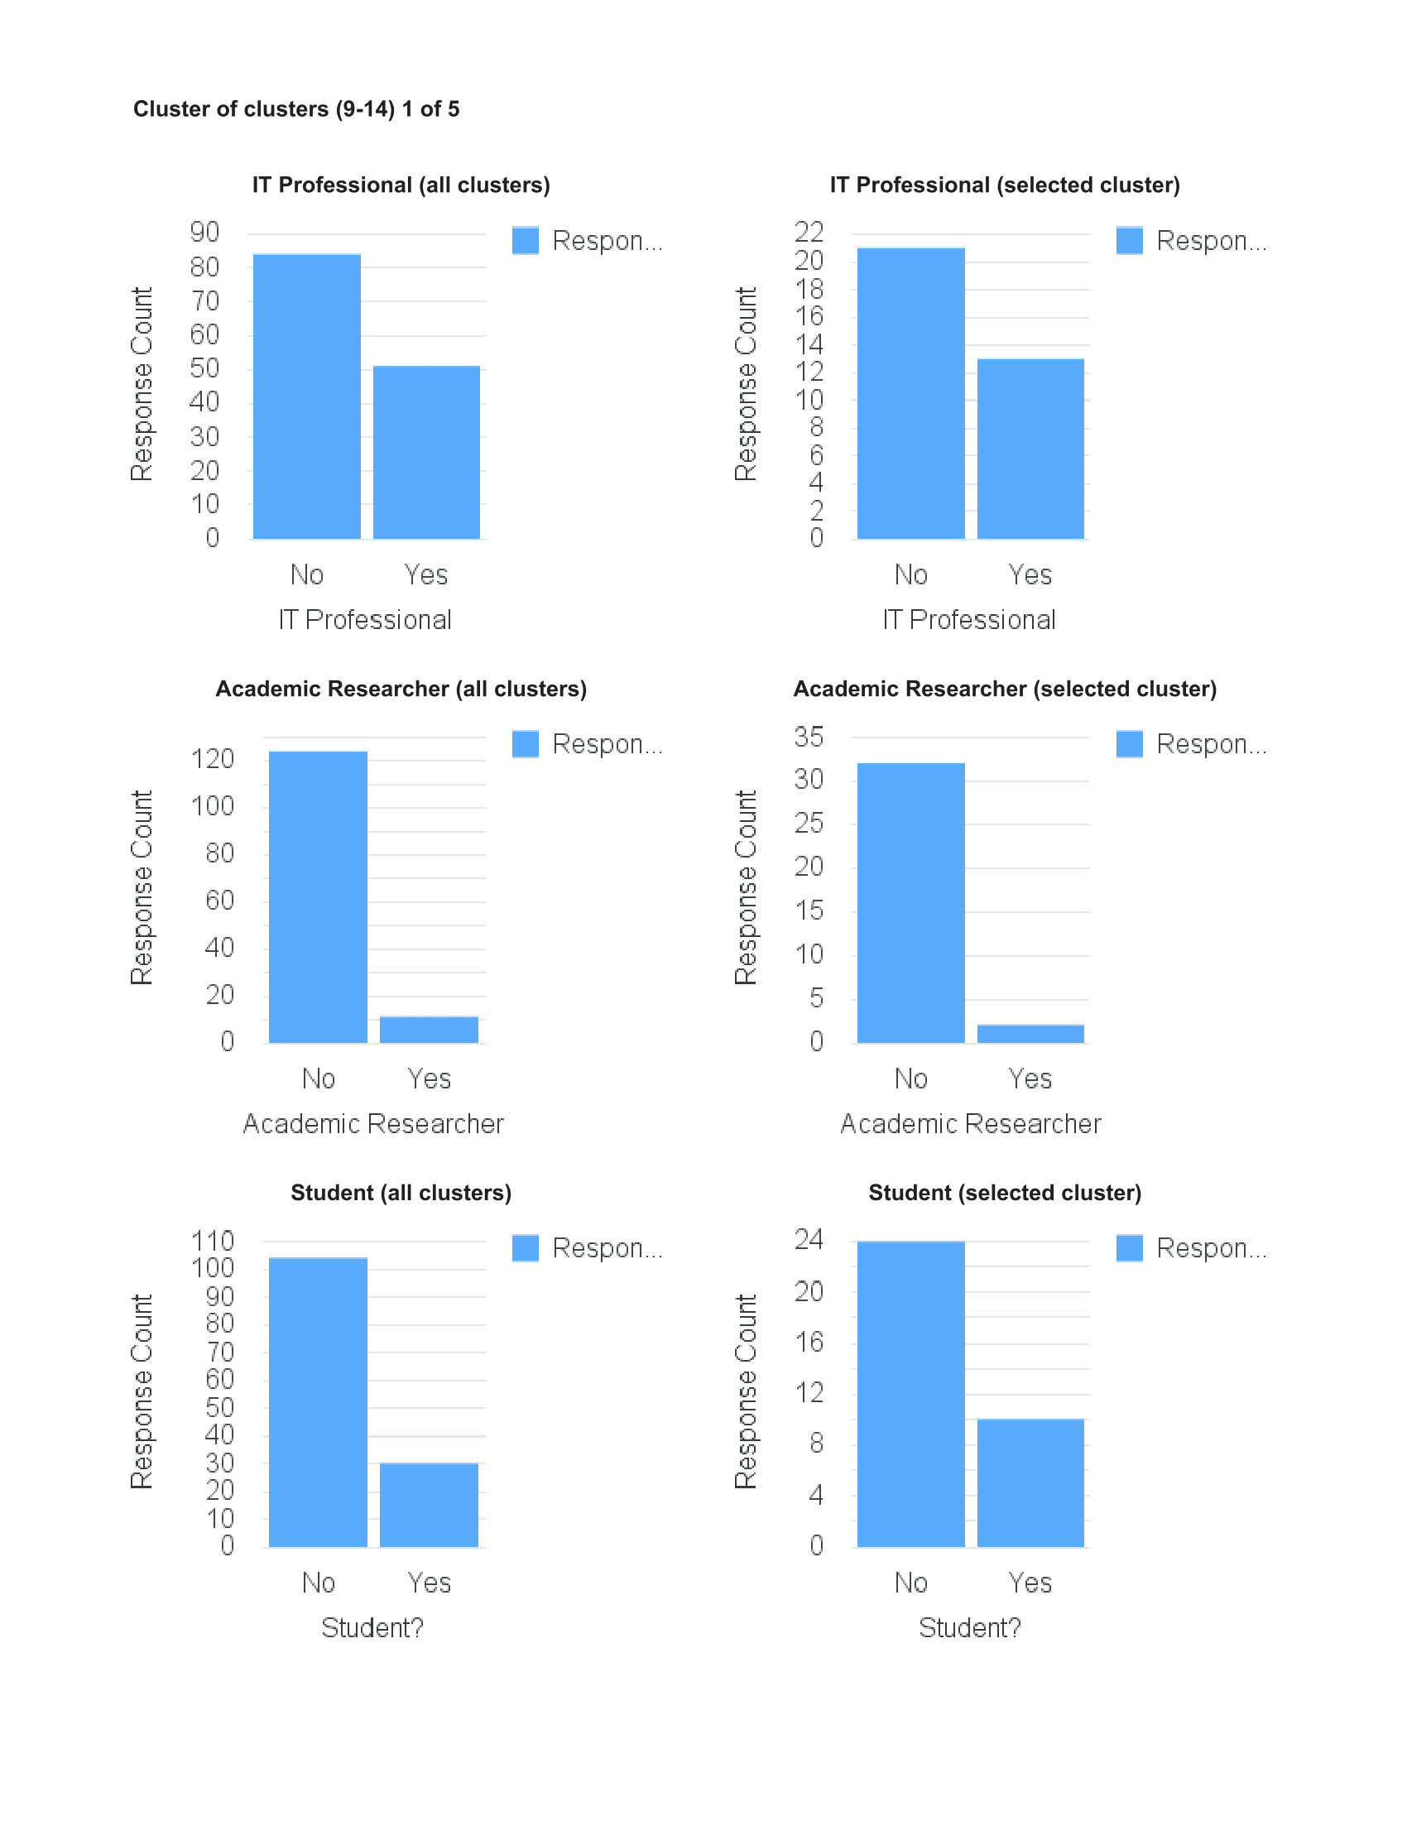
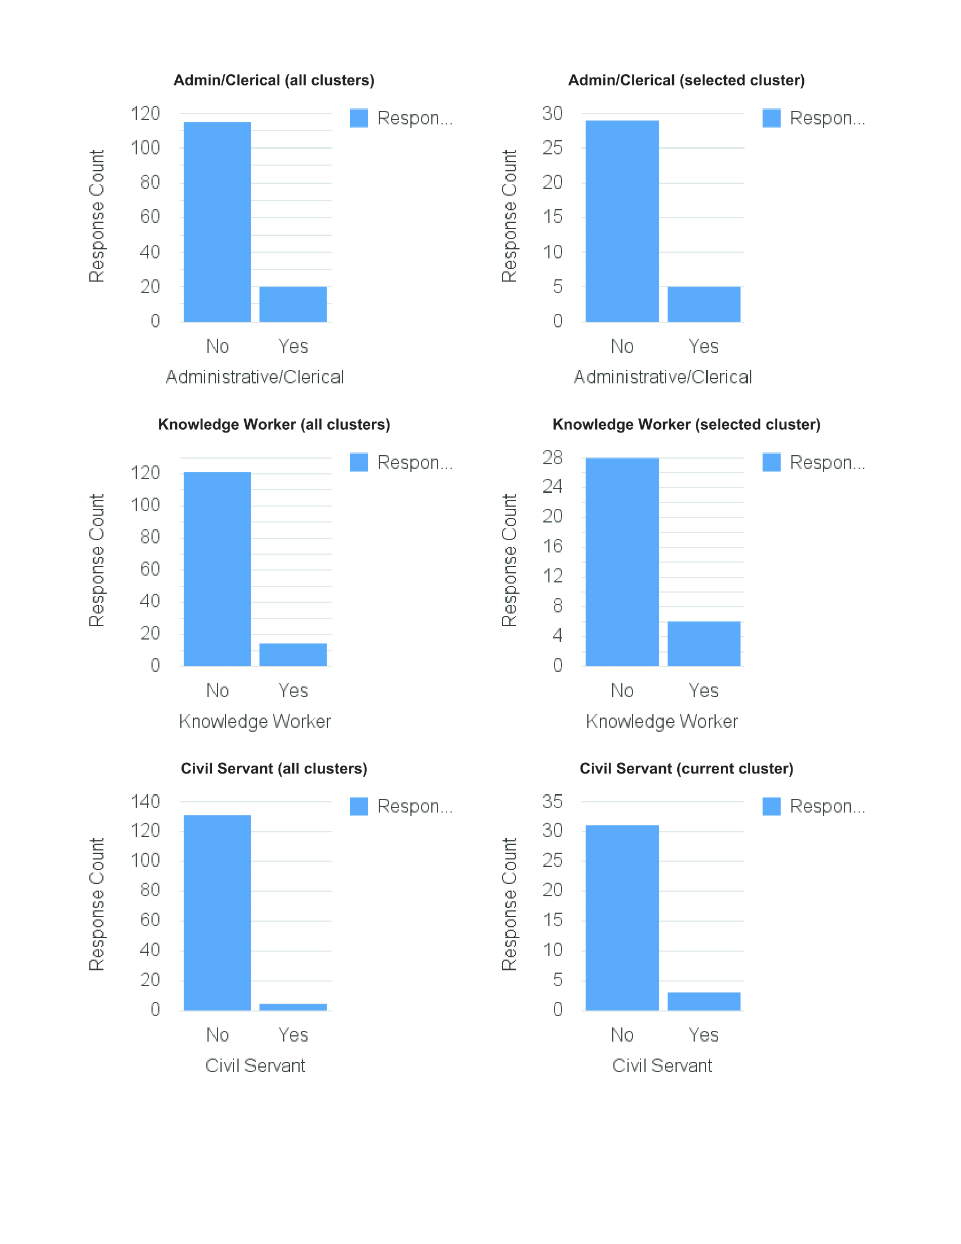
CLUSTER 1
Keep work and personal separate
Easy to switch off from work
Overload, miss things
Not comfortable sharing
Not happy to share to improve service
Not happy to receive work notifications in personal time

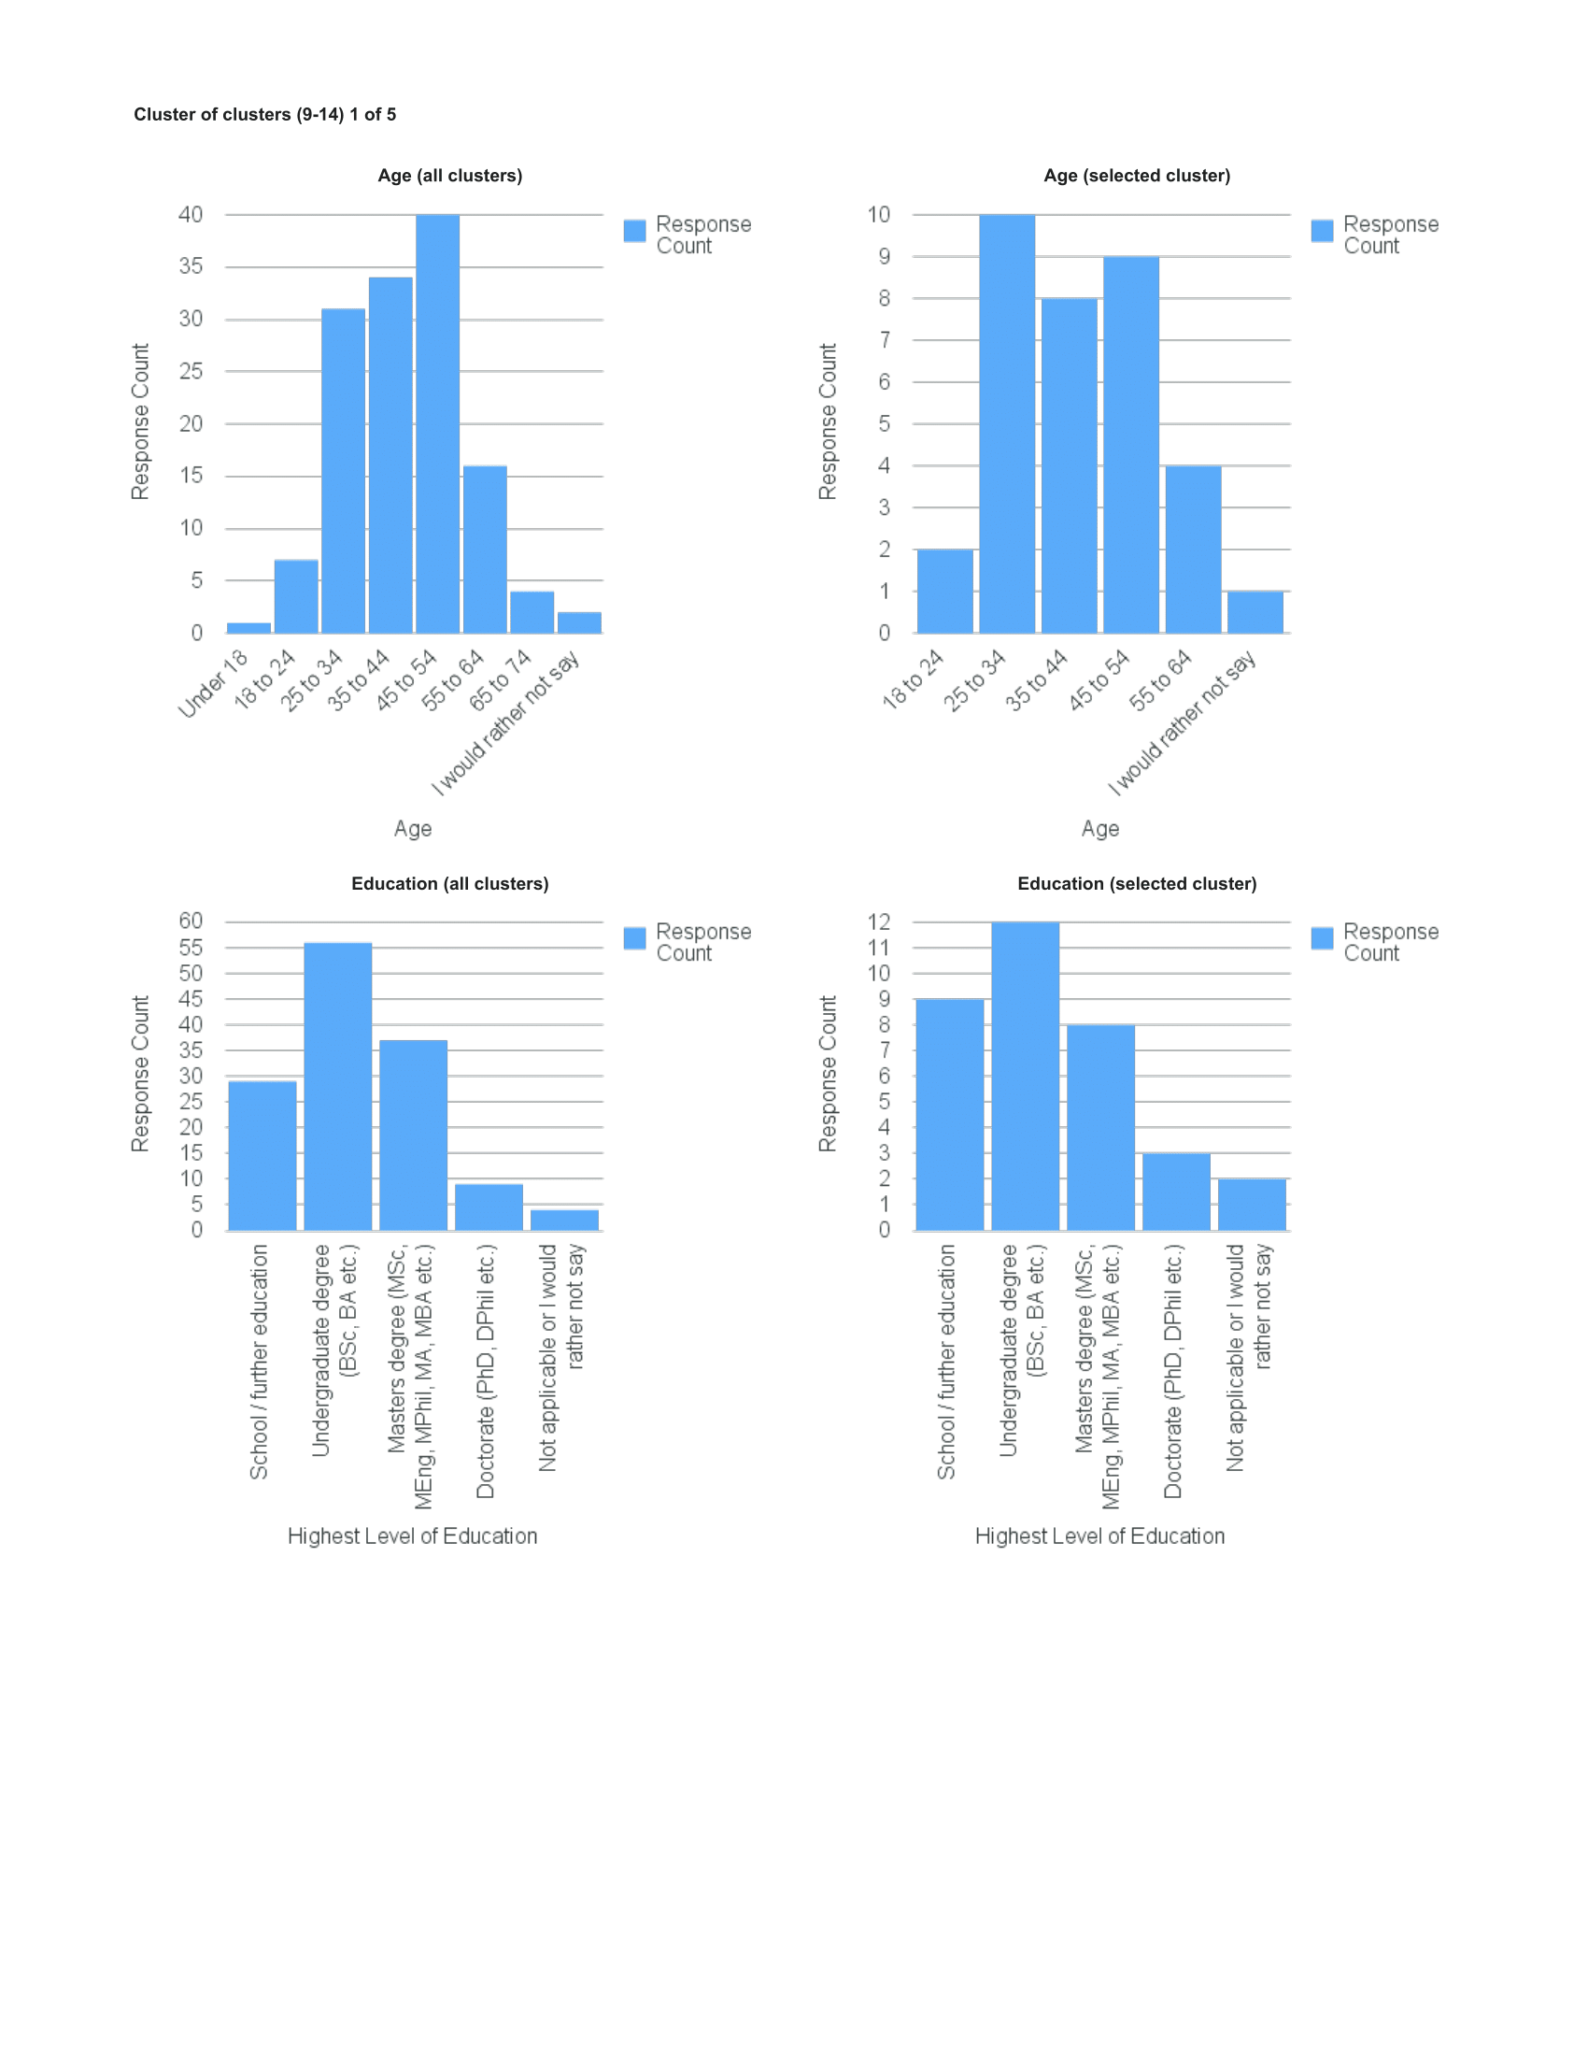

 | Original assessment:
 | Not overloaded or very concerned about interruptions; low level of confidence and trust in online services; less interested in investing effort in training; switching off from work not a problem

Cluster 2
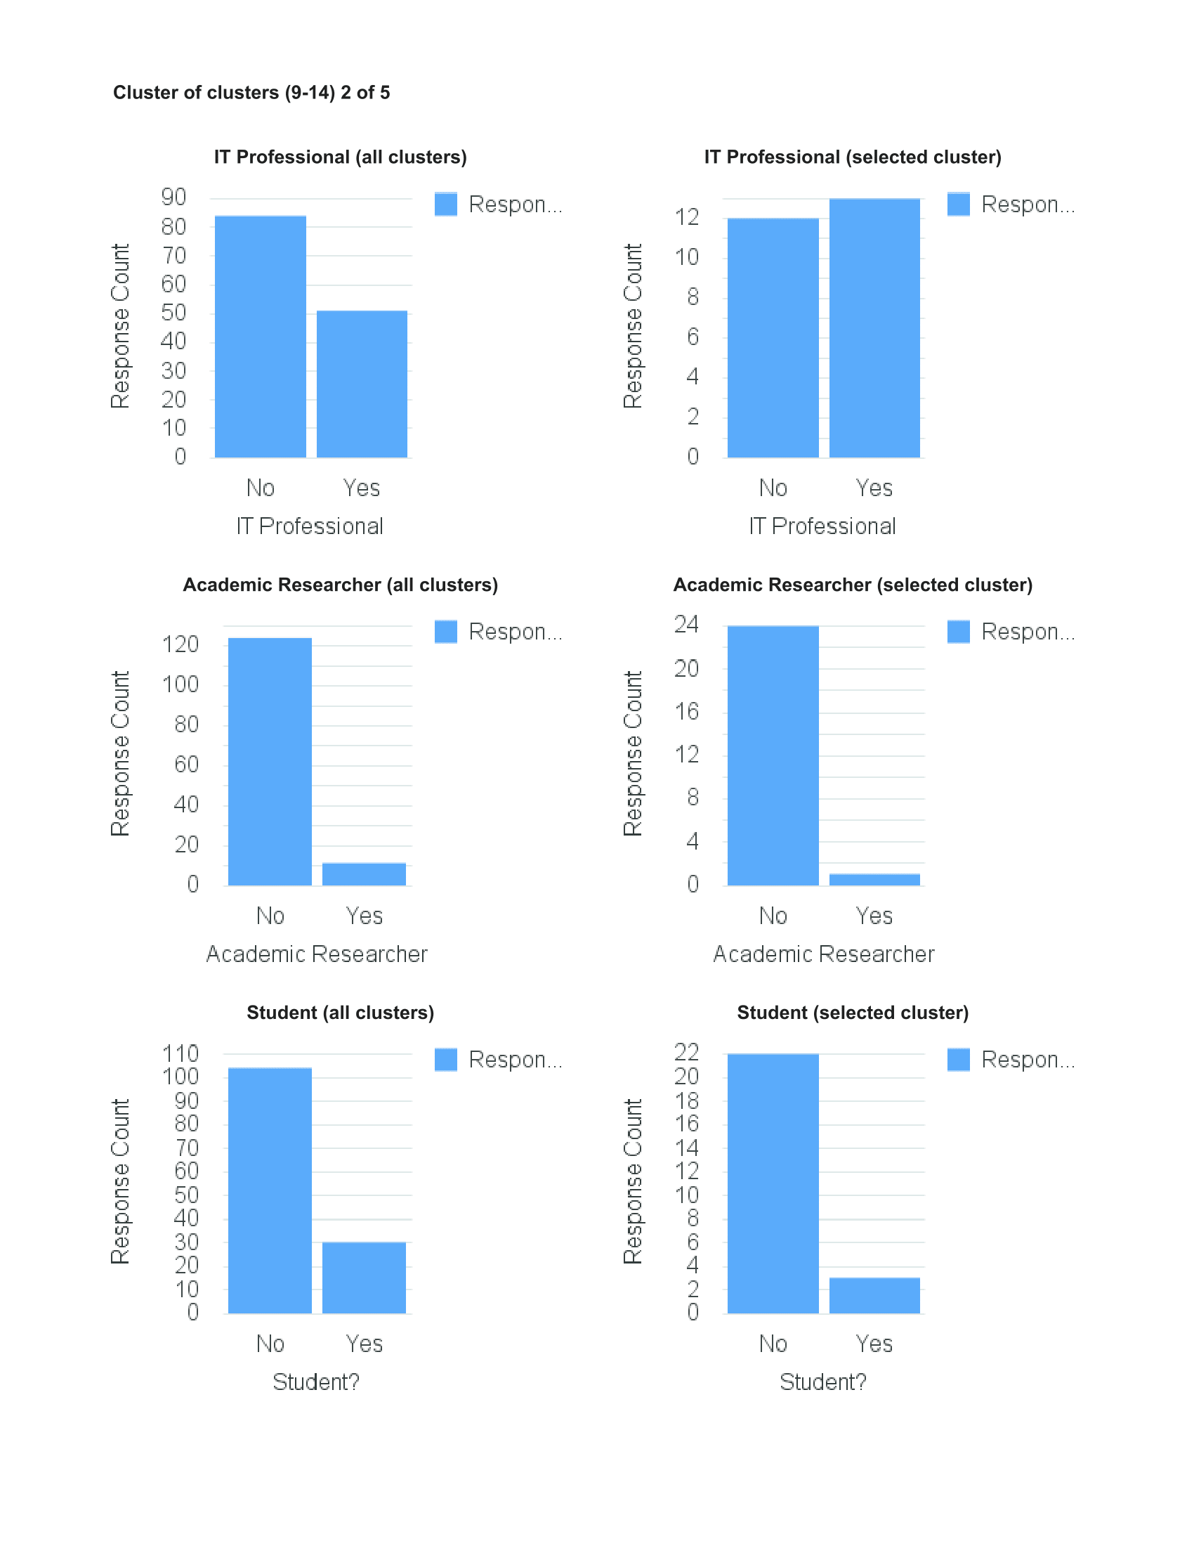
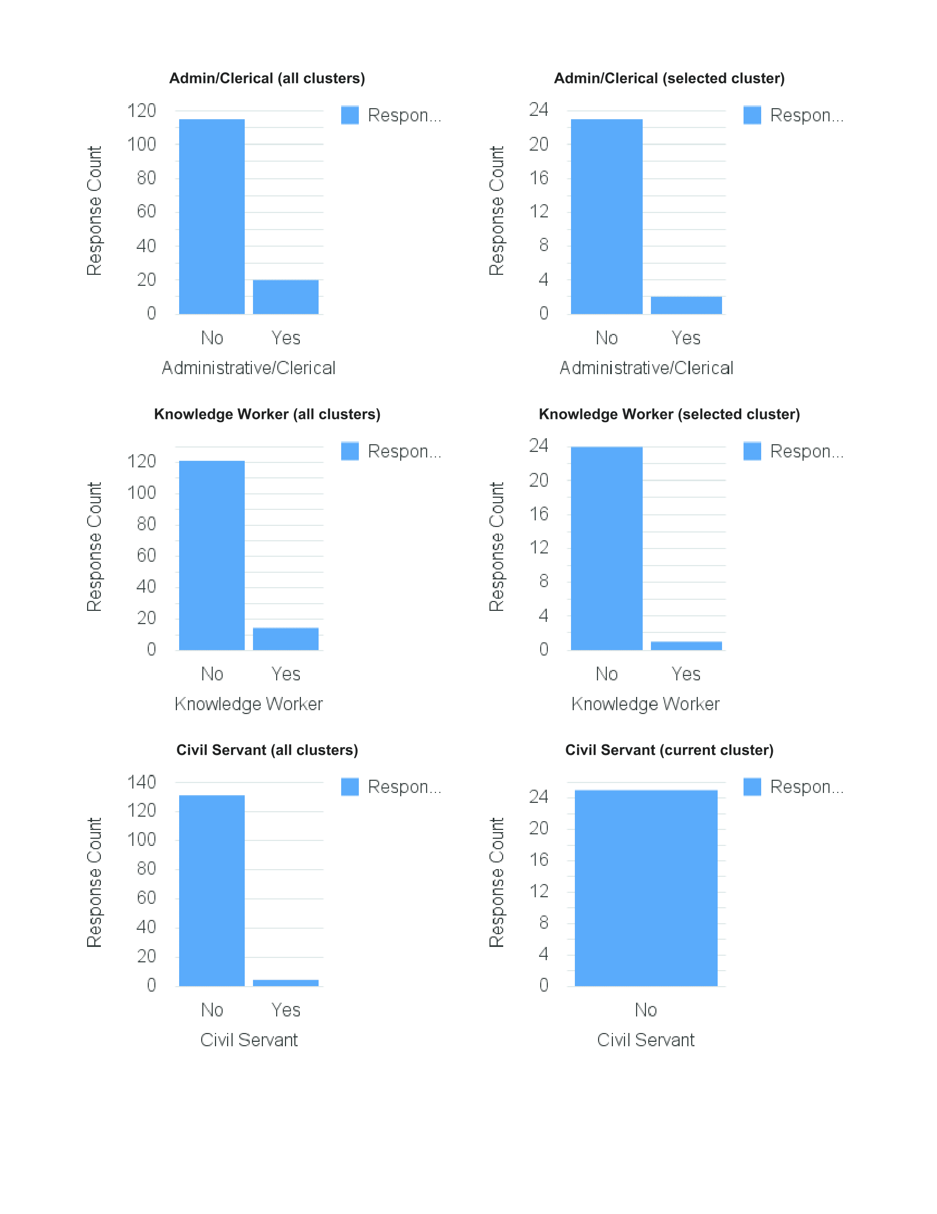
CLUSTER 2
Happy to share personal & work notifications on same device
Overload, miss things
Happy to receive work notifications in personal time
Experiences information overload
Services get it right about my interests
Want to be able to differentiate
Happy for computer to make decisions
Happy to put in effort to train
Trust online services to make content decisions
Happy to share to improve service
Happy to share if I can control it
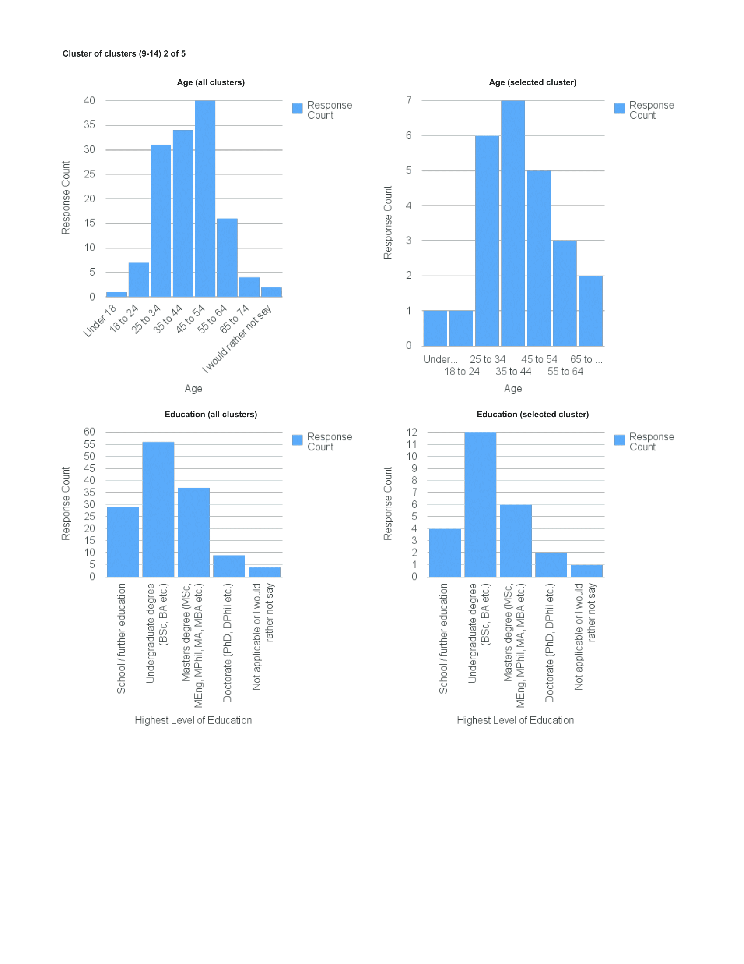

 | Original assessment:
 | Not overloaded or very concerned about interruptions; more content to let algorithms make decisions and put in effort to get better results; pragmatic; switching off from work not a problem

Cluster 3
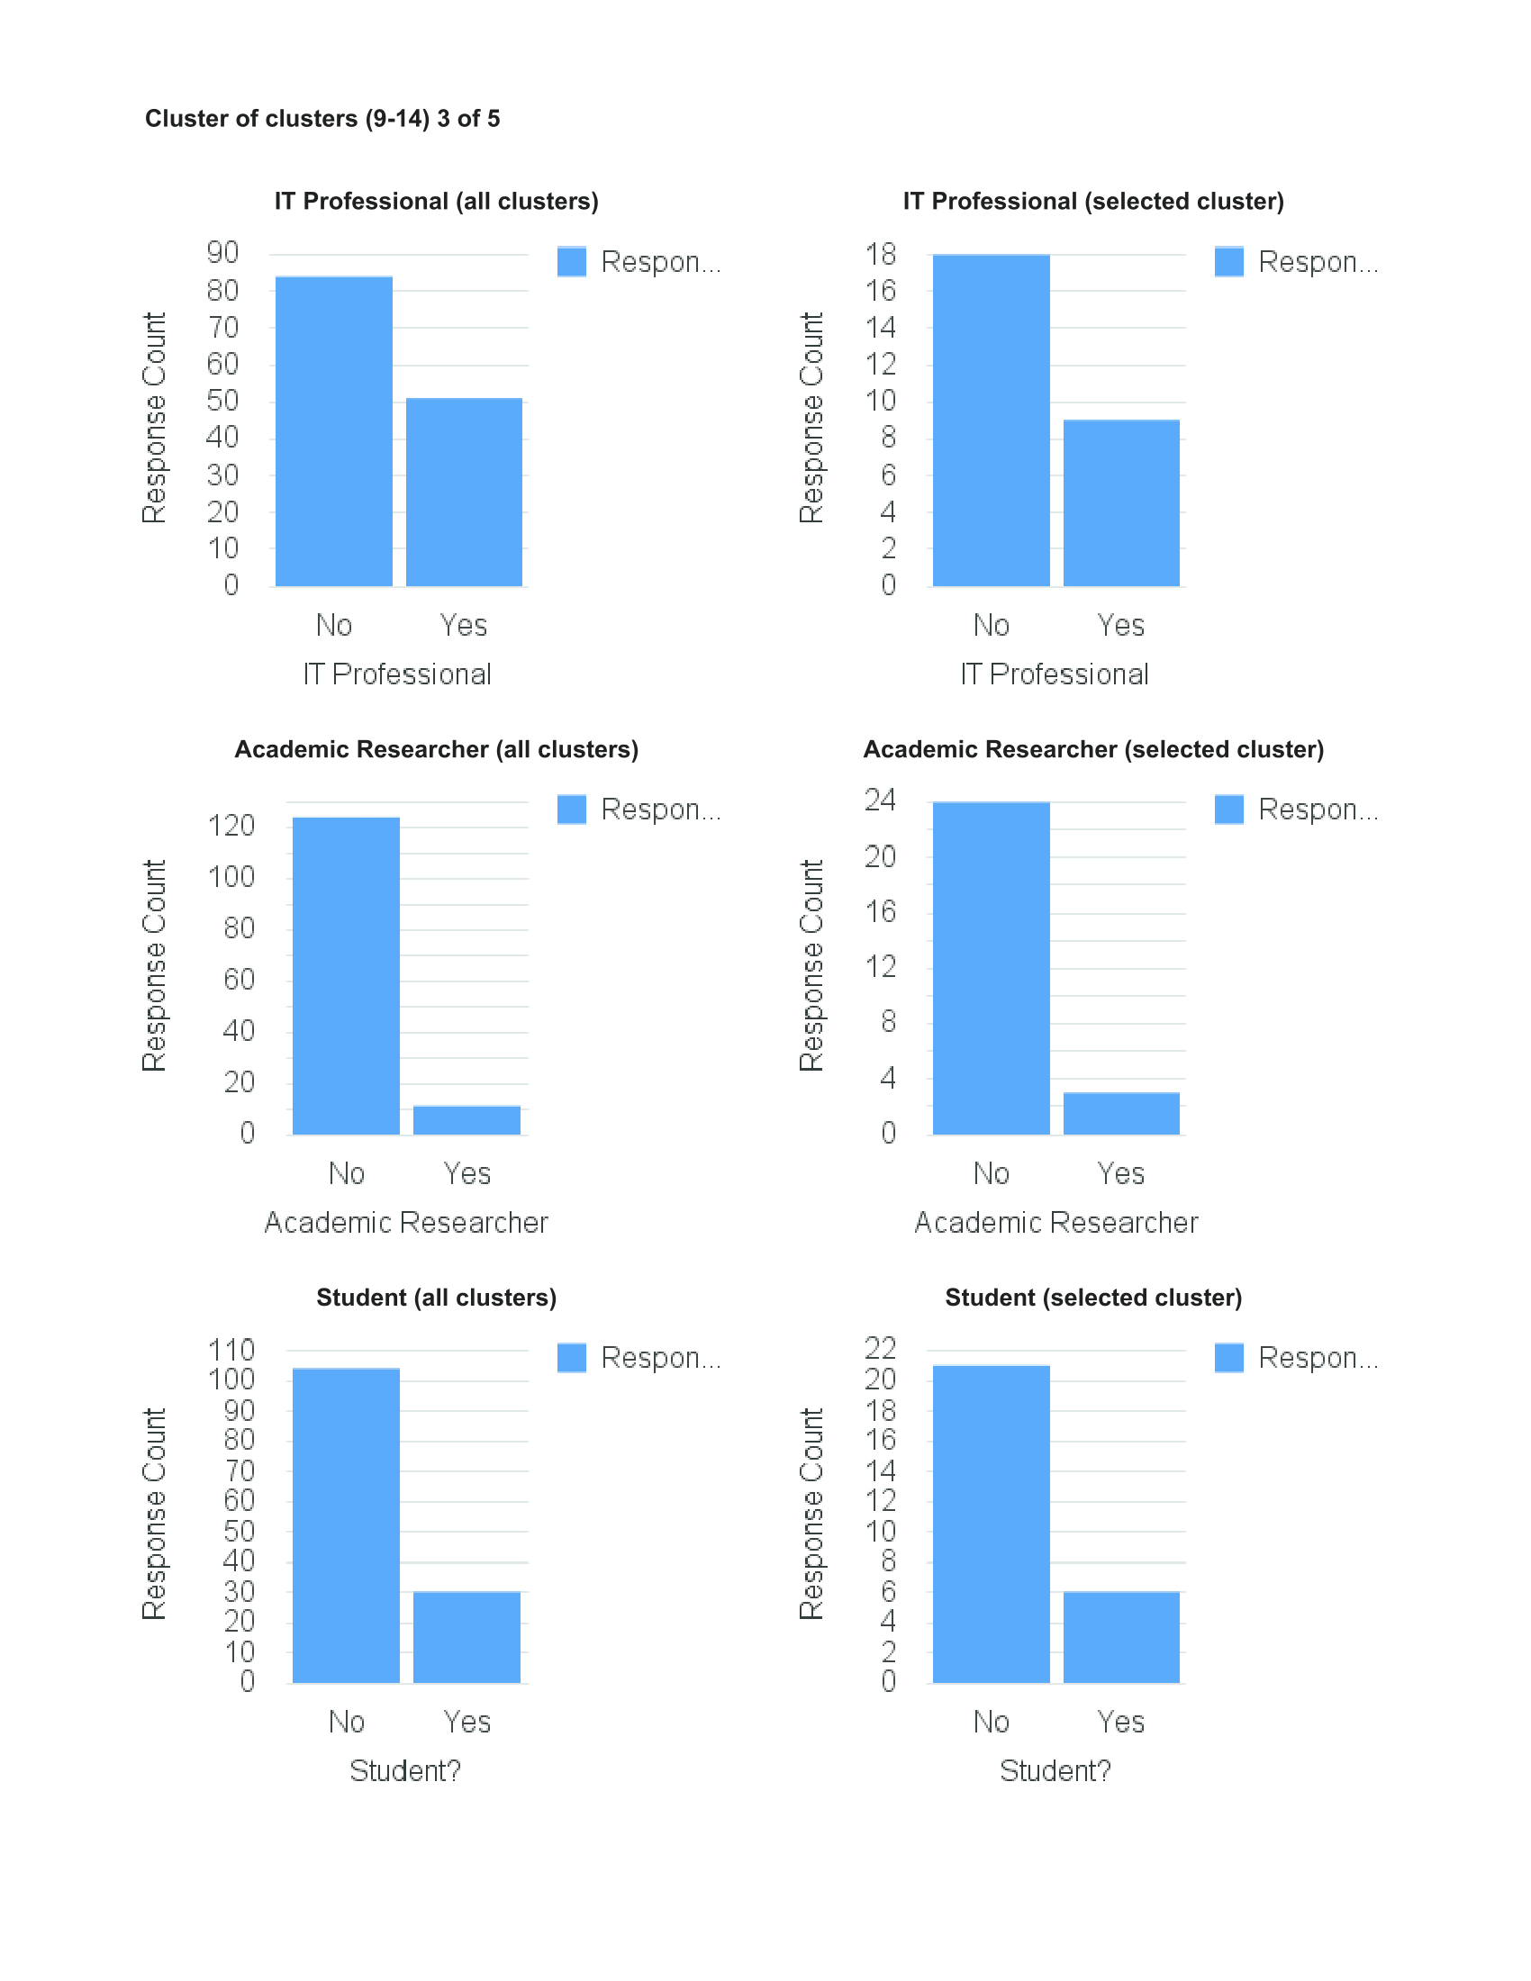
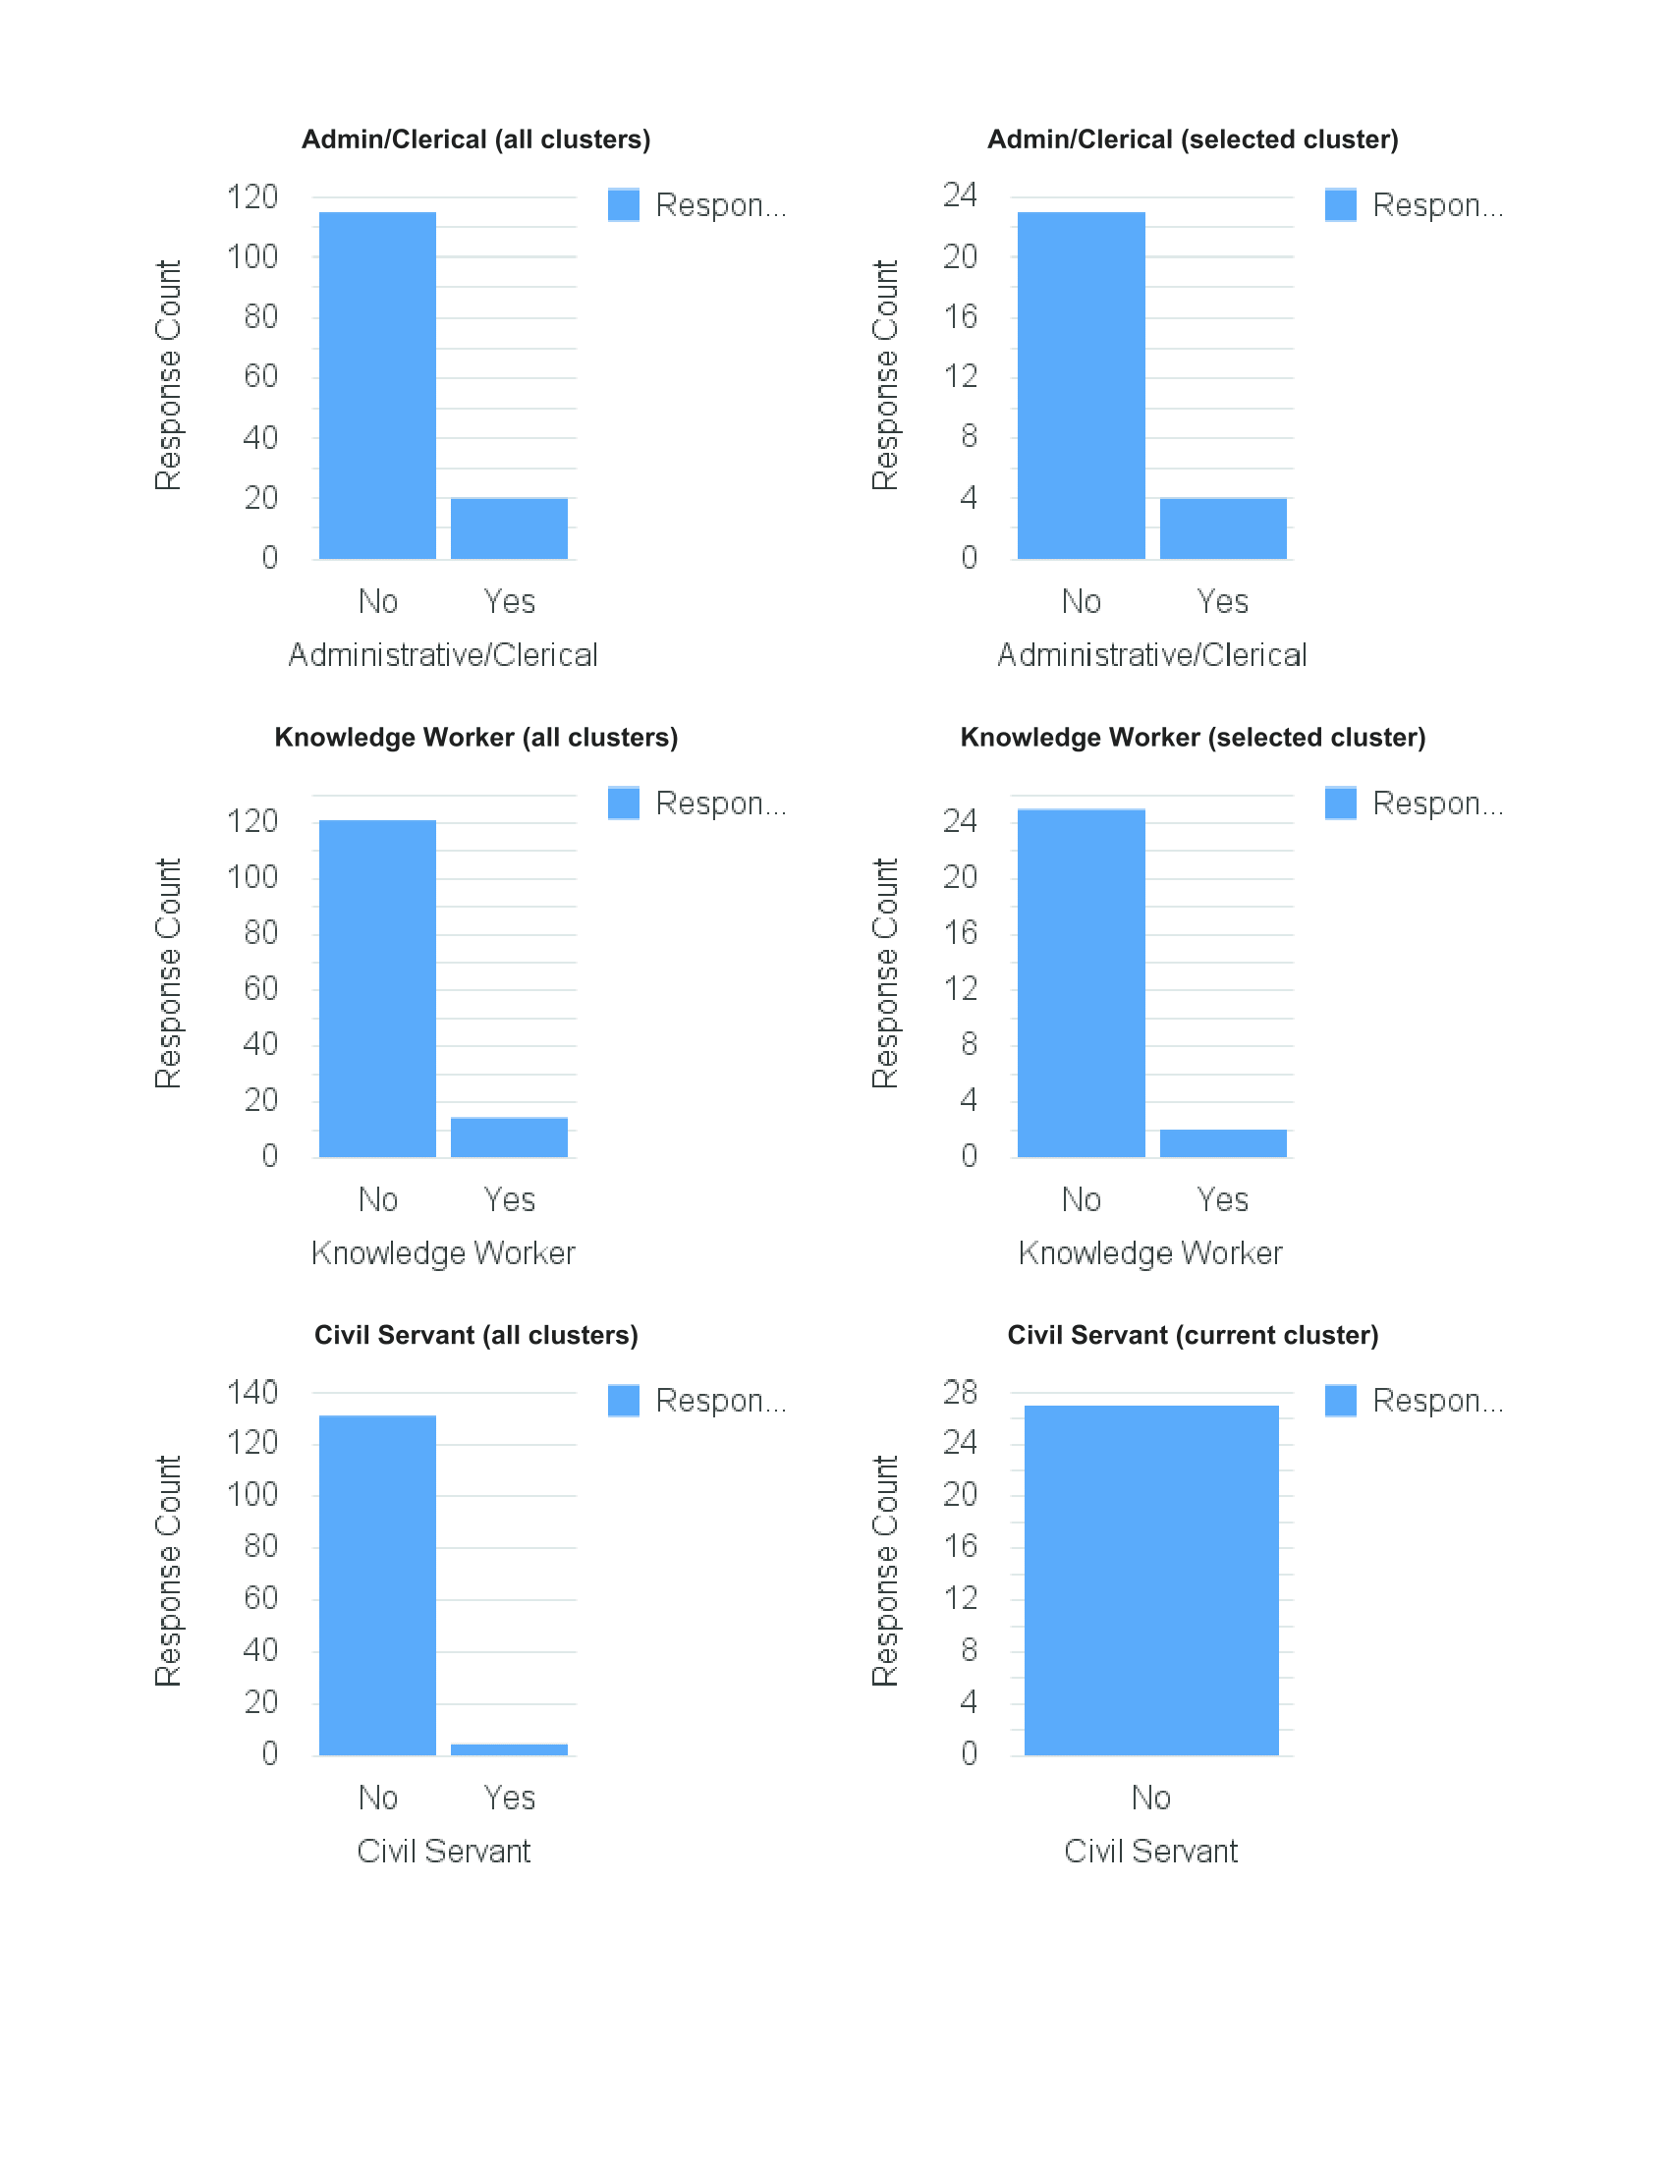
CLUSTER 3
Not comfortable sharing
Happy to share personal & work notifications on same device
Always takes time to customise apps and devices
Always looking to try new apps & services
Don't use all features
Not happy to share to improve service
Not easy to switch off from work

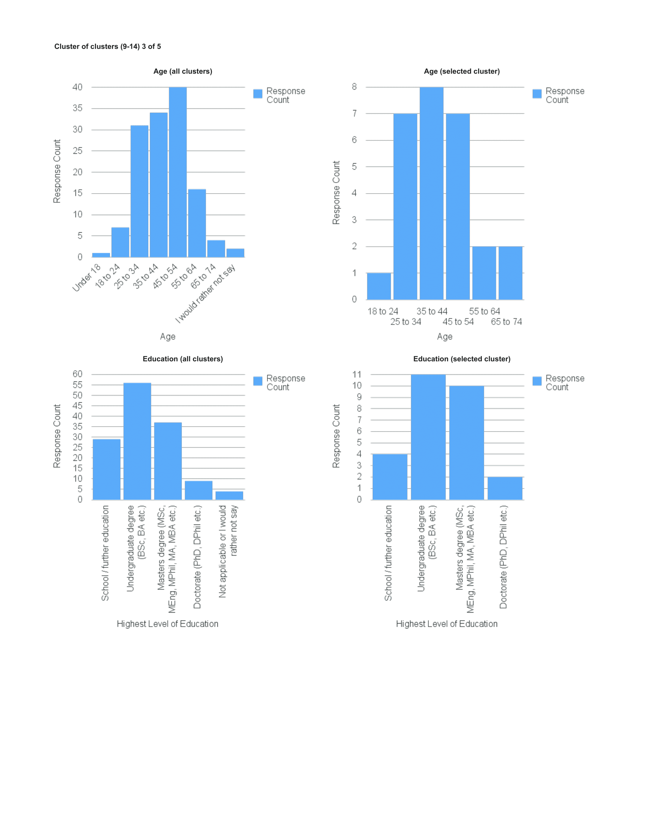

 | Original assessment:
 | Not overloaded or very concerned about interruptions; low level of confidence and trust in online services; less interested in investing effort in training; switching off from work not a problem

Cluster 4
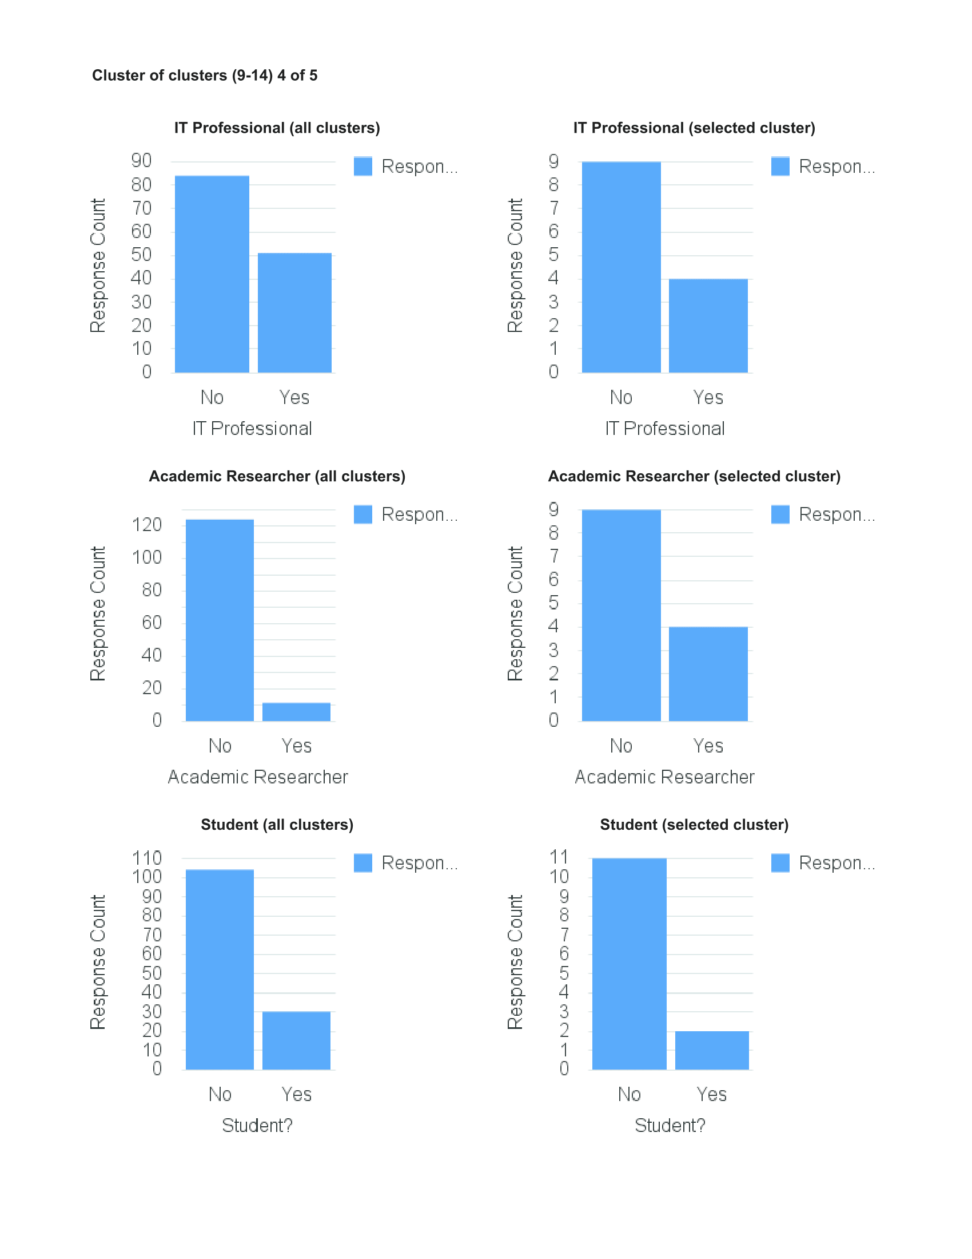
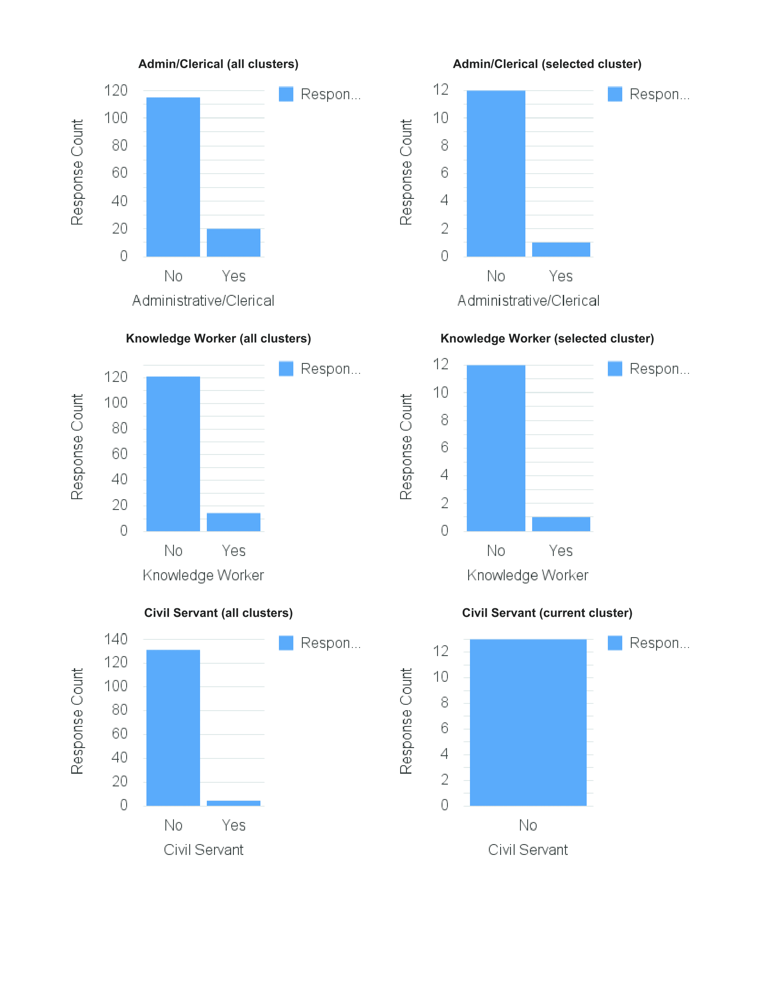
CLUSTER 4
Trust online services to make content decisions
Experiences information overload
Interruptions are a problem
Want to be able to differentiate
Ranking/prioritisation are important
Happy to put in effort to train
Happy to share to improve service
Happy to share if I can control it

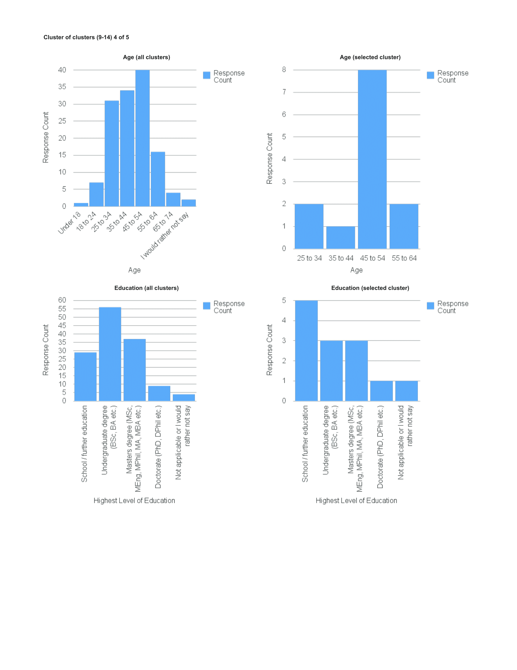

 | Original assessment:
 | Experiences overload or very concerned about interruptions; low level of confidence and in online services, but prepared to invest effort in training; slightly more trusting of services than other clusters; pragmatic; switching off from work not a problem

Cluster 5
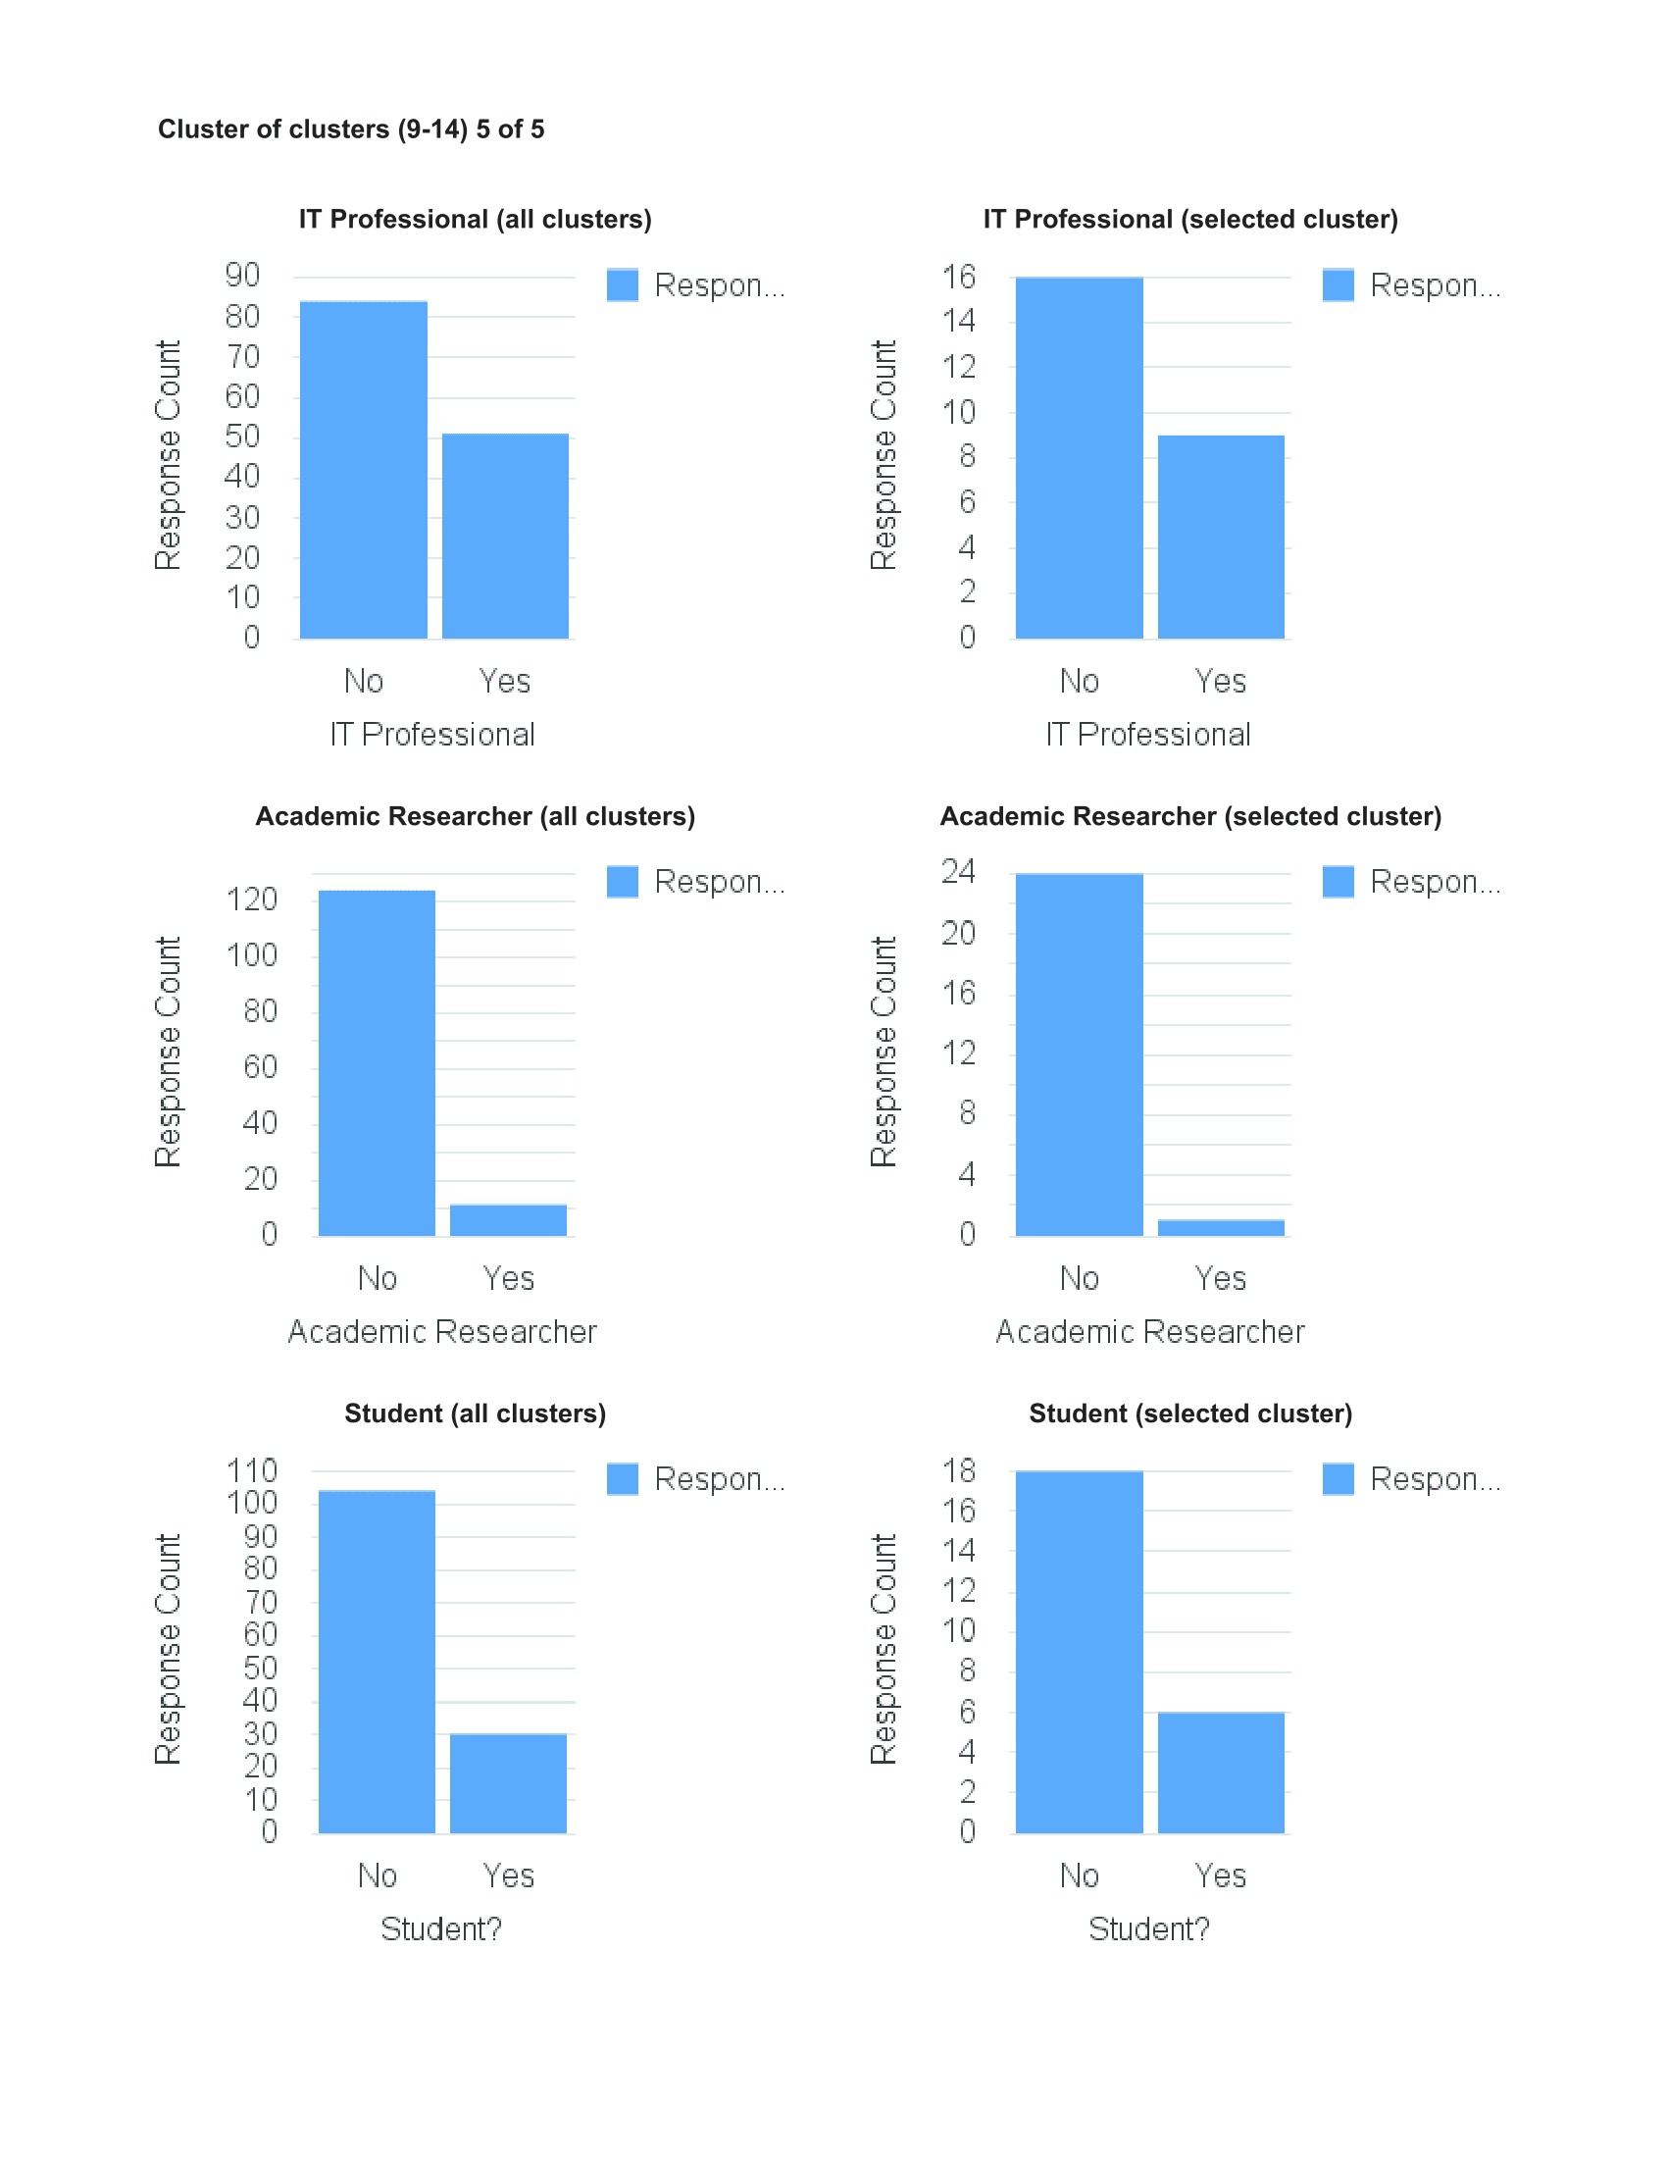
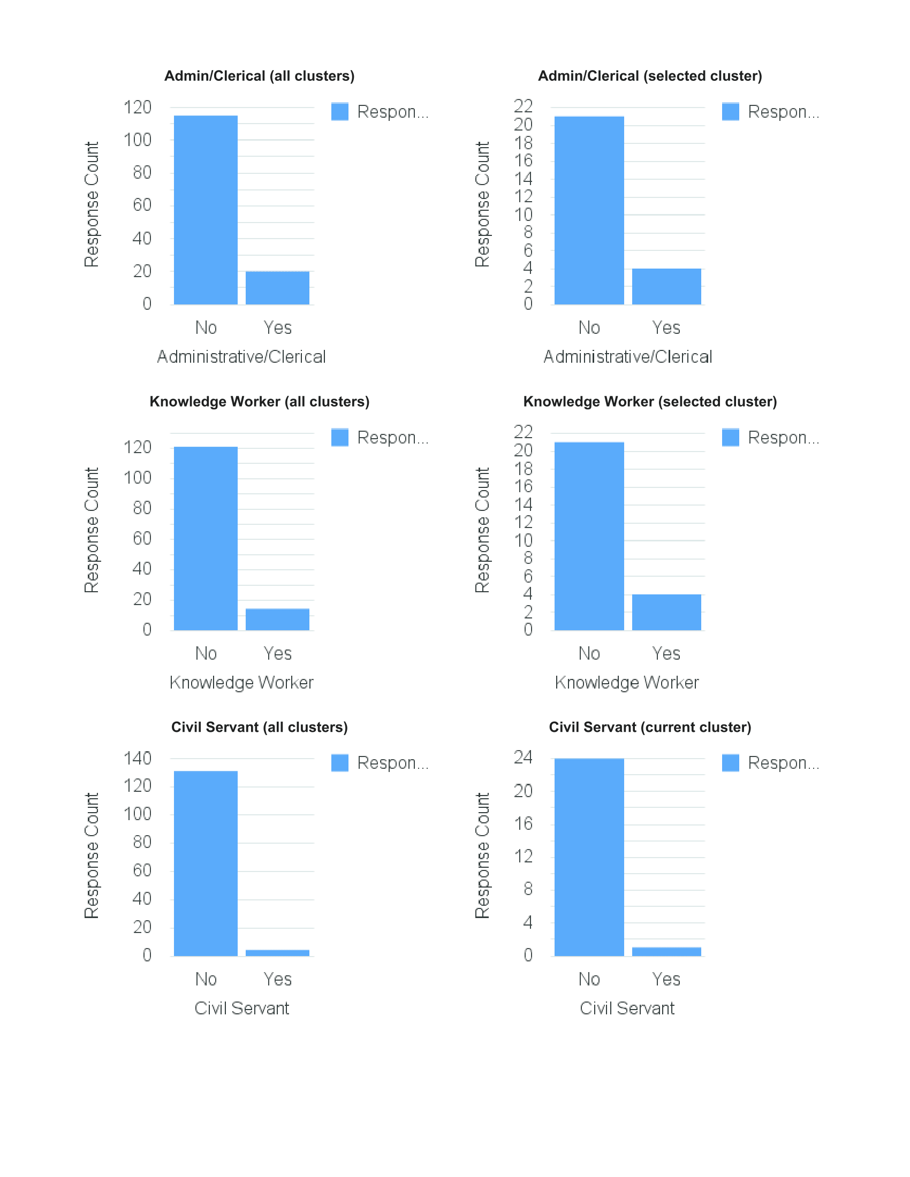
CLUSTER 5
Keep work and personal separate
Interruptions are a problem
Not comfortable sharing
Not happy to share to improve service
Not happy to receive work notifications in personal time
Does not experience information overload

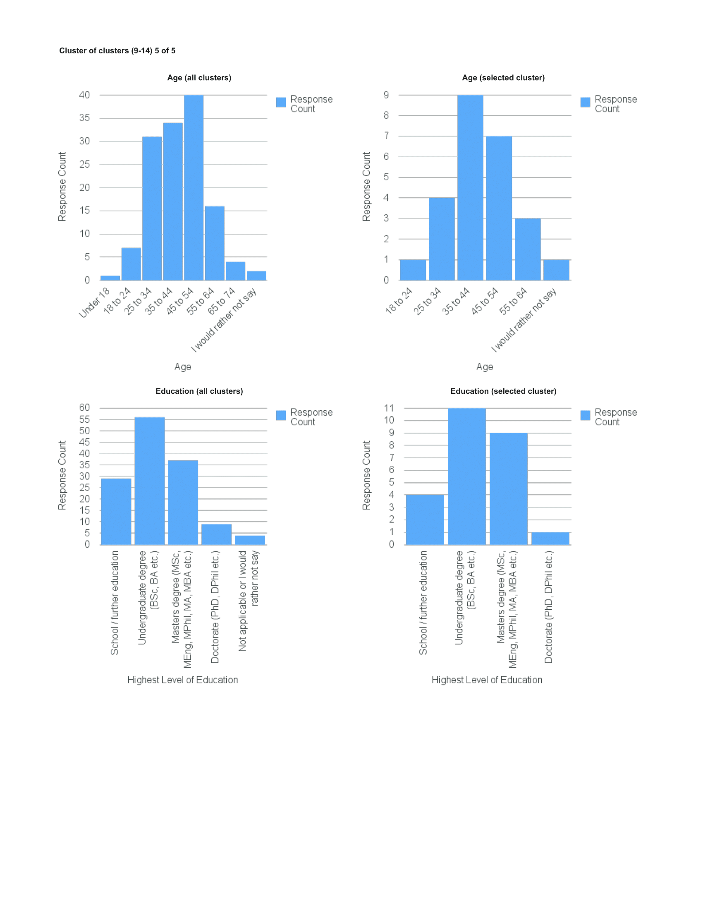

 | Original assessment:
 | Not overloaded, but is concerned about interruptions; low level of confidence and trust in online services; less interested in investing effort in training; privacy oriented; switching off from work not a problem

